solve
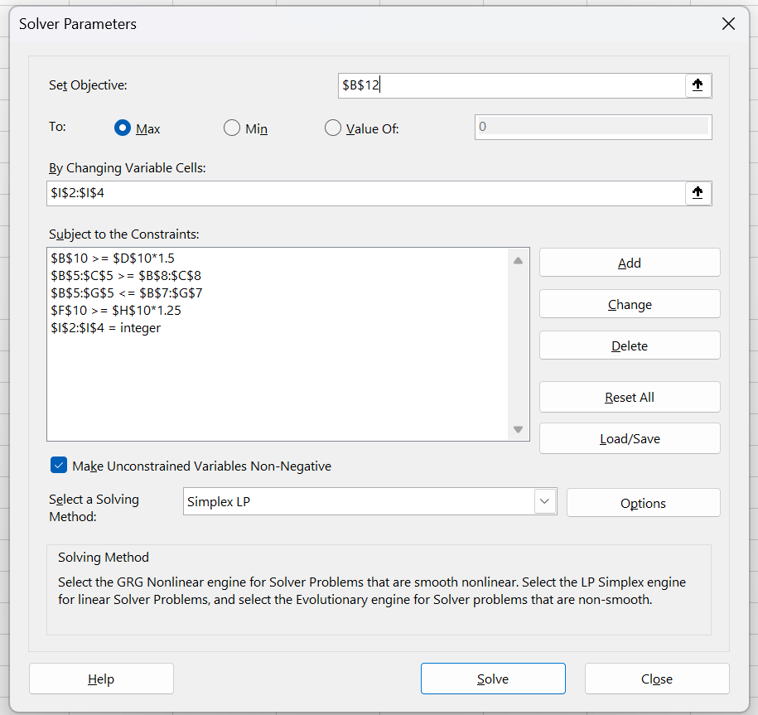
Nuts | Brazil | cashew | almond | peanut | walnut | hazel | price | production
Regular | 0 | 0 | 0.15 | 0.7 | 0.15 | 0 | £22.31 | 3243
Deluxe | 0.167 | 0.167 | 0.167 | 0.167 | 0.167 | 0.167 | £24.42 | 2594
Super Deluxe | 0.2 | 0.2 | 0.2 | 0 | 0.2 | 0.2 | £27.90 | 2072
amount used | 847 | 847 | 1333 | 2702 | 1333 | 847

Stock (grams) | 909 | 1678 | 1333 | 2703 | 2004 | 1064 |  | Constraints
High-Fat | 455 | 839

Production Differentiation | 3243 | >= 1.5* | 2072 |  | 3243 | >=1.25* | 2594
Integers | The number of packs for each product must be an integer

Revenue | £193,505.61 |  |  |  |  |  |  | Objective

